Sheet1
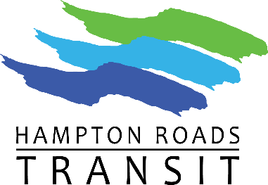
21 | MAIL ORDERS TO: |  | For HRT Use |  | Date & Initial
 | Hampton Roads Transit |  | Accounting Authorize Fulfillment
 | 3400 Victoria Blvd. |  | Revenue Order Fulfillment
 | Hampton, Virginia 23661 |  | Revenue Order Shipping/Delivery/Pickup
 | Attn: Accounts Receivable |  | Sale Order Pickup
 |  |  | Sales Order Delivery
BULK SALES ORDER FORM
Business Billing Address: |  | Business Shipping Address:
Name |  | Name
Address |  | Address
City, State, Zip |  | City, State, Zip
Attn: |  | Attn:

Farecard Type |  | Unit of Measure | Item Price | Quantity Ordered | Total Order
Go 1-Day Pass Bundle |  | Package of 5 | $21.00 |  | $0.00
GO 1-Day DF Pass Bundle |  | Package of 5 | $10.50 |  | $0.00
Go 7-Day |  | 1 | $22.00 |  | $0.00
Go 30-Day |  | 1 | $70.00 |  | $0.00
Go 30-Day DF |  | 1 | $40.00 |  | $0.00
Paratransit Booklets |  | Book of 10 | $35.00 |  | $0.00
VB Wave 1-Day |  | 1 | $4.50 |  | $0.00
VB Wave 1-Day DF |  | 1 | $2.25 |  | $0.00
VB Wave 3-Day |  | 1 | $8.00 |  | $0.00
VB Wave 3-Day DF |  | 1 | $4.00 |  | $0.00
 |  |  | Subtotal |  | $0.00
 |  |  | Shipping ($11.00)
 |  |  | Total Order |  | $0.00
Method of Payment: | □ CHECK | CHECK # | □ COD | □ PO (Credit Form / Pre-Approval Required)
**Check or Purchase Order must be mailed with the order** *** Orders may be placed online with Credit Card Payment***
Comments

 | Authorized Signature

